1. Title Page
Grocery Basket

Project Name: Instacart Grocery Basket Analysis
Date: 04.09.2023
Analyst Name: Edyta Kowal

Contents:
Population Flow
Consistency checks
Wrangling steps
Column derivations
Visualizations
Recommendations

DATA
“The Instacart Online Grocery Shopping Dataset 2017”,
Accessed from www.instacart.com/datasets/grocery-shopping-2017 via Kaggle on 01.08.2023
* "customer.csv" dataset and "prices" column of "products.csv" dataset were fabricated for educational purposes by Career Foundry .

2. Population Flow
Title page

Population flow

Exclusion flag
Condition: max_order < 5
Obervations to be removed: 1440295
Final total count of order_products_all ('active_customers'): 30964564

Orders_products_combined
Orders_products_merged
Orders_products_all

Total: 32404859
Total: 32434489
Total: 32404859

2. Population Flow (2)
Title page

Population flow

Exclusion flag
Condition: max_order < 5
Obervations to be removed: 1440295
Final total count of order_products_all ('active_customers'): 30964564

Orders_products_combined
Orders_products_merged
Orders_products_all

Total: 32404859
Total: 32434489
Total: 32404859

3. Consistency checks
 |  |  |  |  | Title page
Consistency checks

Dataset | Missing values | Missing values treatment | Outstanding values | Duplicates
orders | 16 rows with missing product name | The missing values were removed because there
 |  | was no other way to impute them
 | 206209 rows with missing value | A new variable has been created based on the missing value,
 | column- 'days_since_prior_order' | which acts as a flag indicating whether the user is a new customer or not
products |  |  |  | 6 rows with duplicated values-removed
ords_prods_merged |  |  | values above the “normal” price of a supermarket
 |  |  | item (100) - 5127 rows found. Has been marked as missing (NaN)

4. Wrangling steps
 |  |  |  |  |  | Title page
Wrangling steps

Dataset | Columns dropped | Columns renamed | Columns' type changed | Other changes | Comment/Reason
orders | 'eval_set' |  |  |  | A number that doe's not represent a mathematical value
 |  | order_dow' to 'orders_day_of_week' |  |  | The name is more self-explanatory
 |  | order_hour_of_day' to 'order_hour' |  |  | The name is more self-explanatory
 |  |  | order_id', 'user_id' columns changed - 'str' |  | A number that doe's not represent a mathematical value
departments |  |  |  | transposing data | Switch the orientation of an array to give it the same format as the rest of the dataframes
customers | 'First Name', 'Surnam' |  |  |  | Contains personally identifiable information that are irrelevant for analysis
 |  | Gender' to 'gender', 'STATE' to 'state', |  |  | Cnsistency in column names
 |  | Age' : 'age', 'date_joined' : 'joining_date'
 |  |  | order_id', 'user_id' columns changed - 'str' |  | A number that doe's not represent a mathematical value
 |  |  | gender', 'state', 'fam_status' changed to 'category' |  | Categorical data type can improve performance and use less memory than other data types
orders_products_merged |  |  | 'loyalty_flag', 'spending_flag', 'freq_flag' to 'category' |  | Categorical data type can improve performance and use less memory than other data types
order_products_all | 'Unnamed: 0.1', '_merge', 'exists', 'exis' |  |  |  | Columns created while merging data, irrelevant
 | Unnamed: 0_x', 'Unnamed: 0_y',
active_customers |  |  | 'region', 'activity', 'income_category', 'family_type', 'day' |  | Categorical data type can improve performance and use less memory than other data types
 |  |  | 'age_group_name', 'family_status&type', 'departament' changed to 'category'

5. Column derivations
 |  |  |  | Title page

Column derivations and aggregations

Dataset | New column | Column/s it was derived from | Conditions
ords_prods_merged | price_range' | prices' | If the price is lower than 5 - 'Low-range product',
 |  |  | between 5 and 15 - 'Mid-range product',
 |  |  | higher than 15 - 'High range'
 | 'busiest_day' | orders_day_of_week' | Day 0 - 'Busiest day', (see beside )
 |  |  | day 4 - 'Least busy',
 |  |  | other days - 'Regularly busy'
 | busiest_days' | orders_day_of_week' | Day 4 and 3 - 'One of two least busy days',
 |  |  | day 0 and 1 - 'One of two busiest days',
 |  |  | other days - 'Regularly busy'
Please note that in the new region column, the states are sorted as follows:
Northeast - Maine, New Hampshire, Vermont, Massachusetts, Rhode Island, Connecticut, New York, Pennsylvania, New Jersey
Midwest - Wisconsin, Michigan, Illinois, Indiana, Ohio, North Dakota, South Dakota, Nebraska, Kansas, Minnesota, Iowa, Missouri
South - Delaware, Maryland, District of Columbia, Virginia, West Virginia, North Carolina, South Carolina, Georgia, Florida, Kentucky, Tennessee, Mississippi, Alabama, Oklahoma, Texas, Arkansas, Louisiana
West - Idaho, Montana, Wyoming, Nevada, Utah, Colorado, Arizona, New Mexico, Alaska, Washington, Oregon, California, Hawaii
 | busiest_period_of_day | order_hour' | If order hour: 10, 11,14, 15, 13, 12, 16, 9 - 'Most orders',
 |  |  | if order hour: 23, 6, 0, 1, 5, 2, 4, 3 - 'Fewest orders',
 |  |  | other hours - 'Average orders'
 | max_order' | user_id', 'order_number' | Count of orders for each user
 | loyalty_flag | user_id', 'max_order' | If user made more than 40 orders - 'Loyal customer',
 |  |  | between 10 and 40 orders - 'Regular customer',
 |  |  | fewer than 10 orders - 'New customer'
 | avg_product_price | user_id', 'price' | If average product price for user is higher than 10 - 'High spender',
 |  |  | lower than 10 - 'Low spender'
 | freq_flag' | user_id', 'days_since_prior_order' | If median days since prior order for customer is lower than 10 - 'Frequent customer',
 |  |  | between 10 and 20 - 'Regular customer',
 |  |  | higher than then 20 - 'Non-frequent customer'
 | spending_flag' | user_id', 'prices' | If average price of items bought by customer is higher than 10 -'High spender',
 |  |  | lower than 10 - 'Low spender'
order_products_all | region' | state' | Regions: Northeast, Midwest, South, West (see beside )
 | activity | user_id', 'max_order' | If customer made less than 5 orders - 'low-active'
 |  |  | more than 5 - 'normal-active'
active_customers | age_group | 'age' | Age groups, as follows: 18-29, 30-39, 40-49, 50-65, 65+
 | income_category | income' | If income is lower than 50000 - 'low-income',
 |  |  | batween 50000 and 100000 - 'middle-income',
 |  |  | between 100000 and 300000 - 'uppeer-income',
 |  |  | higher than 300000 - 'high-income'
 | household_type | family_status', 'n_dependants' | If 'living with parents and siblings' - 'living with parents and siblings',
 |  |  | single' or ''divorced/widowed' and 0 dependants - 'one-person household'
 |  |  | single' or ''divorced/widowed' and dependants - 'single with dependants
 |  |  | married' and 0 dependants - 'marriage without dependants'
 |  |  | married' and dependant - ' family 1-3 kids',
 | household_class&type' | age_group', 'income_category', | higher class single, middle class family, middle class single, upper class family,
 |  | 'household_type', | upper-middle class family, upper-middle class single, working class family, working class single
 | day | 'order_day_of_week' | Days of the week asigned to numbers, as follow: 0- saturday, 1- sunday, 2- monday, 3-tueseday,
 |  |  | 4- wednesday, 5-thursday, 6- friday

6. Visualizations
 |  |  |  | Title page

Visualisations

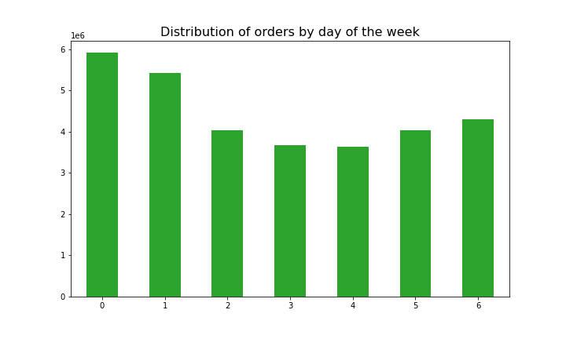
1. What the busiest days of the week and hours of the day are?

Busiest days of week: Saturday and Sunday
Busiest hours of day: 10:00 - 16:00

2. Are there particular times of the day when people spend the most money?
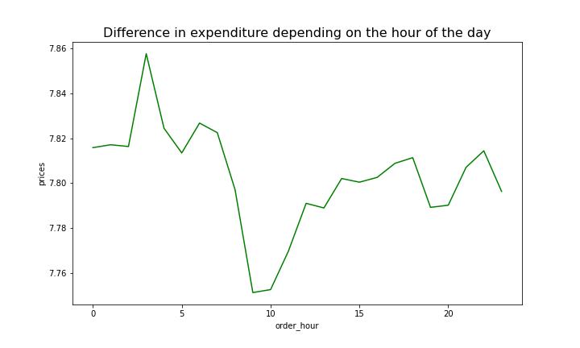
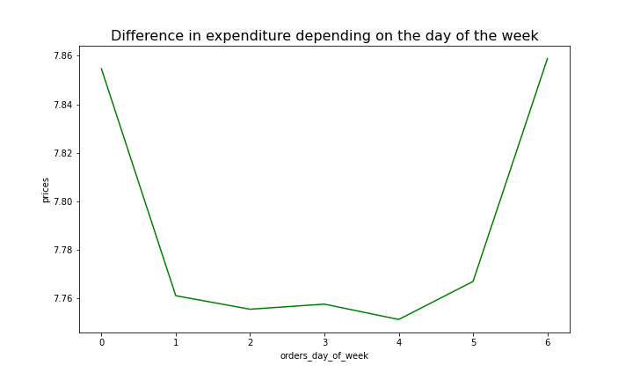

Customers on average spend the most money around 3 a.m. and the least around 10a.m.. However, the difference is small, amounting to just under 1.5%.
When it comes to days of the week, customers also spending slightly more on Saturdays and Sundays, but only by around 1 percent.

3. Instacart has a lot of products with different price tags. Marketing and sales want to use simpler price range groupings to help direct their efforts
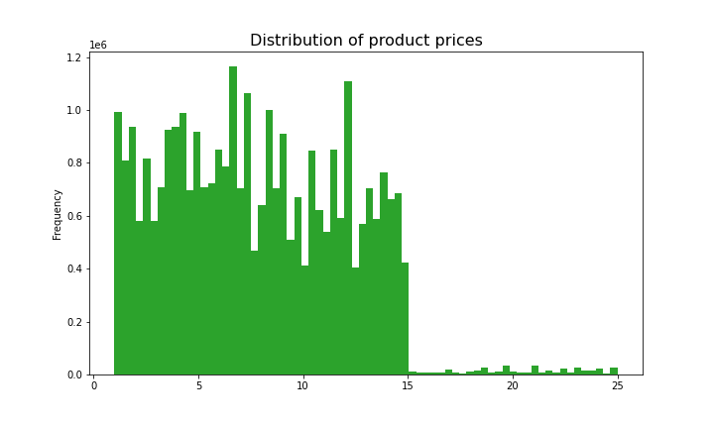
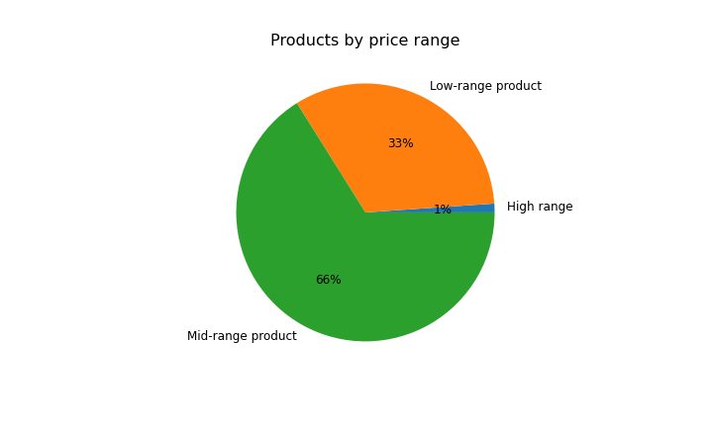

 |  |  | Number of products by price range

 |  |  | High range 545
 |  |  | Low-range product 16280
 |  |  | Mid-range product 32802

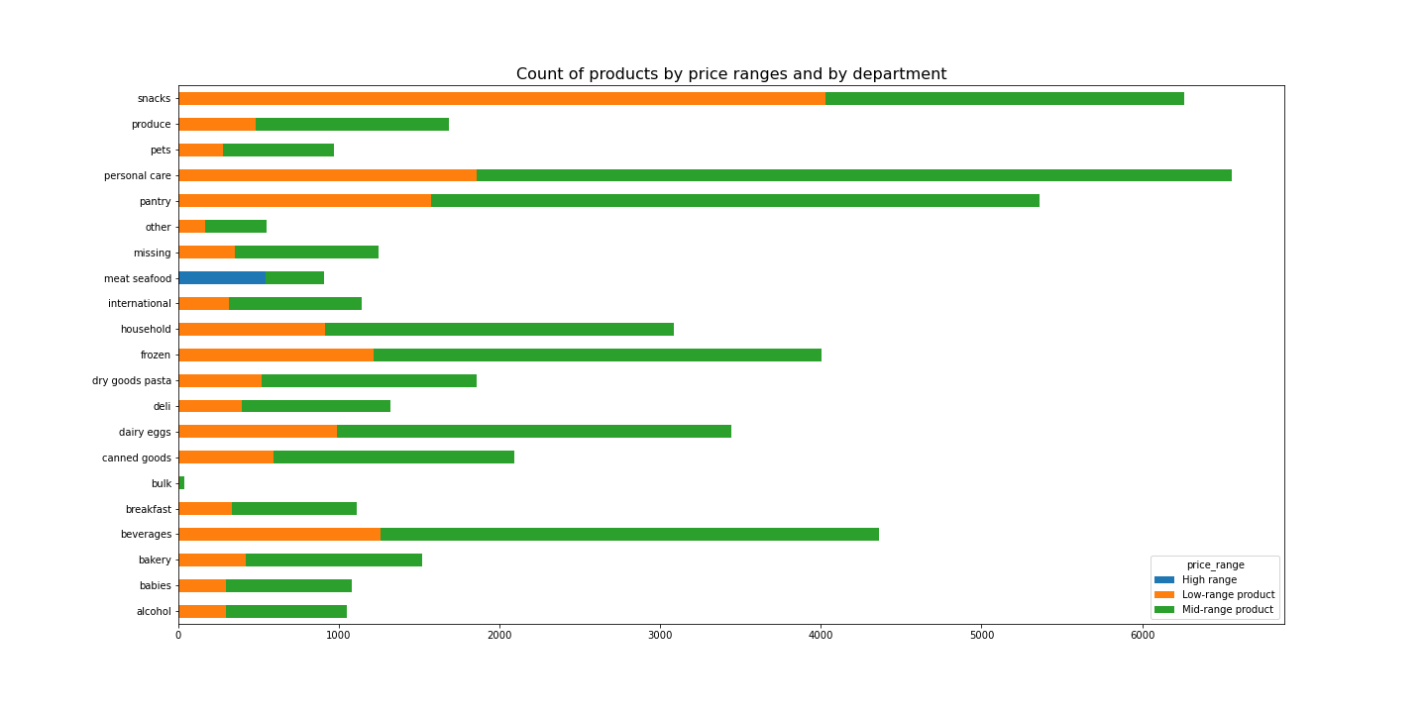

Prices range from 1 to 25. They are grouped into 3 categories:
if the price is lower than 5 - 'Low-range product', between 5 and 15 - 'Mid-range product', higher than 15 - 'High range'.
Only 1% of the products fall into the 'High range' category, while 33% are 'Low-range products,' and 66% are 'Mid-range products.'
Most of the high-range products are found in the 'meat and seafood' department, while the 'snacks' department is the only one with more 'Low-range' products than 'Mid-range' products.
The most products we have in 'personal care', 'pantry' and 'snacks' departments.

4. Are there certain types of products that are more popular than others?
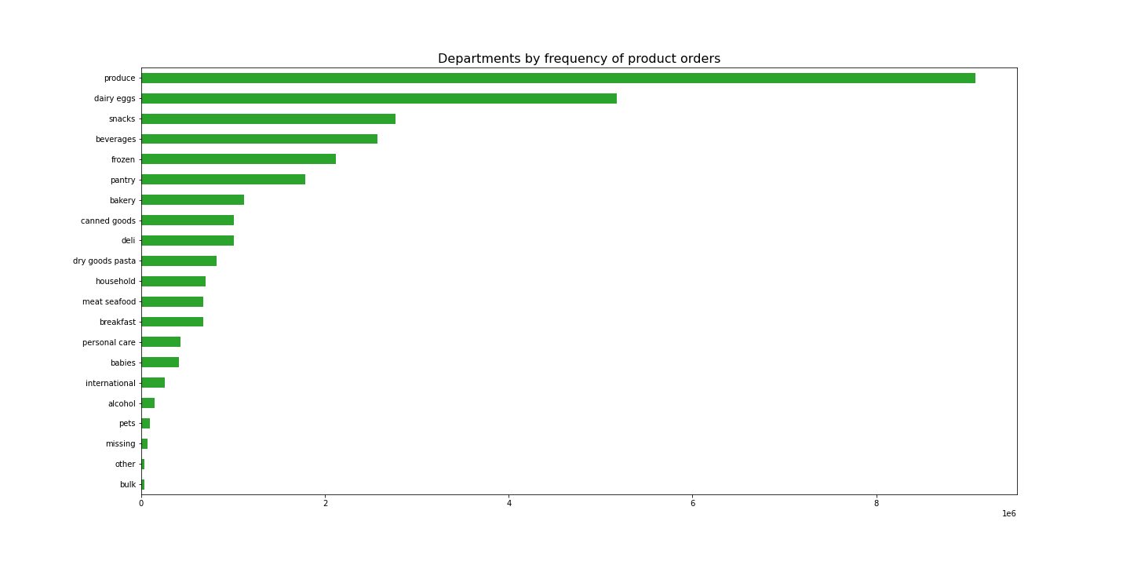

Top products- number of items sold |  | Total number of items sold by pepartment
Banana 453164 |  | produce 9079273
Bag of Organic Bananas 366403 |  | dairy eggs 5177182
Organic Strawberries 255988 |  | snacks 2766406
Organic Baby Spinach 231772 |  | beverages 2571901
Organic Hass Avocado 206799 |  | frozen 2121731
Organic Avocado 168267 |  | pantry 1782705
Large Lemon 145397 |  | bakery 1120828
Strawberries 136330 |  | canned goods 1012074
Limes 134751 |  | deli 1003834
Organic Whole Milk 133514 |  | dry goods pasta 822136
Organic Raspberries 132945 |  | household 699857
Organic Yellow Onion 109219 |  | meat seafood 674781
Organic Garlic 105639 |  | breakfast 670850
Organic Zucchini 100664 |  | personal care 424306
Organic Blueberries 95637 |  | babies 410392
Cucumber Kirby 92612 |  | international 255991
Organic Fuji Apple 85941 |  | alcohol 144627
Organic Lemon 84608 |  | pets 93060
Apple Honeycrisp Organic 82349 |  | missing 64768
Organic Grape Tomatoes 80756 |  | other 34411
Seedless Red Grapes 79395 |  | bulk 33451
Organic Cucumber 77499
The 'produce' department is the most popular departments, as confirmed by the list of the 20 most frequently purchased products. Apart from milk, vegetables, and fruits dominate the list. Following produce, the next most frequently visited departments, in descending order of frequency, are dairy and eggs, snacks, beverages, and frozen.
On the other hand, the five least popular departments, ranked from least to most frequent, are bulk, other, pets, alcohol, and international.
Honeycrisp Apple 76765
Organic Half & Half 73985
Organic Baby Carrots 73777

5. Types of customers and how their ordering behaviors differ

Distribution among users in regards to their loyalty
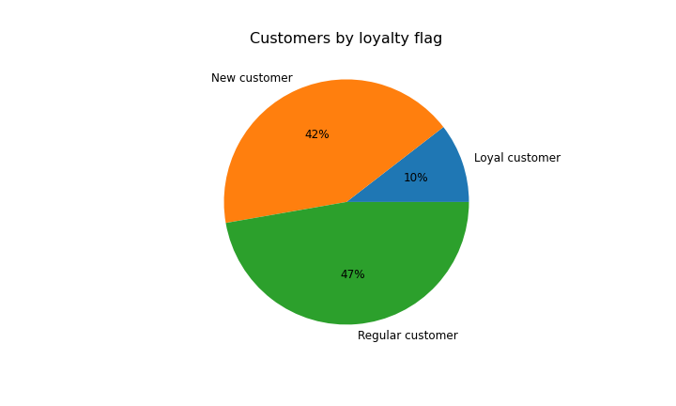
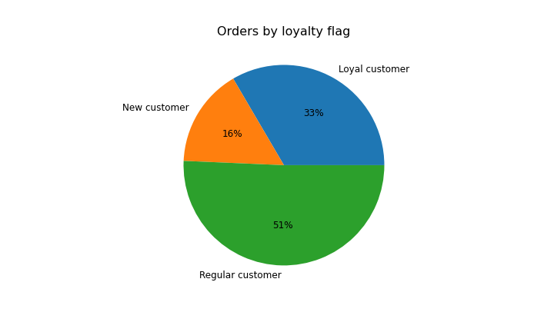
Total number of customers - 164631

Customers by loyalty flag
Loyal customer 17017
New customer 68750
Regular customer 76864

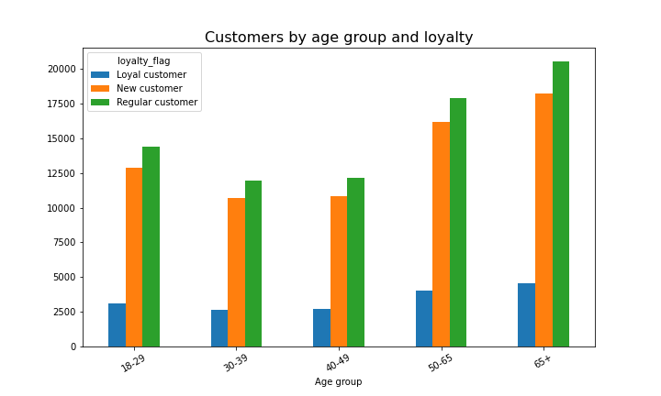

Customers were grouped into loyalty groups. If user made more than 40 orders - 'Loyal customer',
between 10 and 40 orders - 'Regular customer',
fewer than 10 orders - 'New customer'.
The largest group - 'Regular customers' made 50% of all orders, 'Loyal customers' who constituted only 10% made as many as 33% of orders, and the smallest number of orders (16%) were made by new customers who constitute 43%.

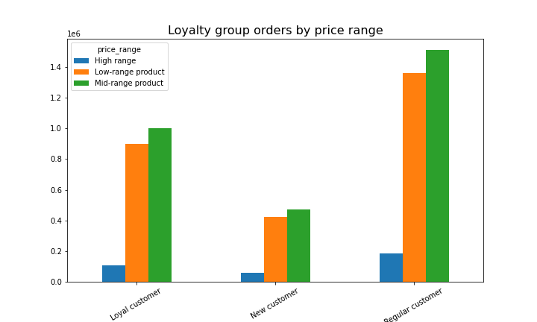
Ordering habits based on a customer’s loyalty status
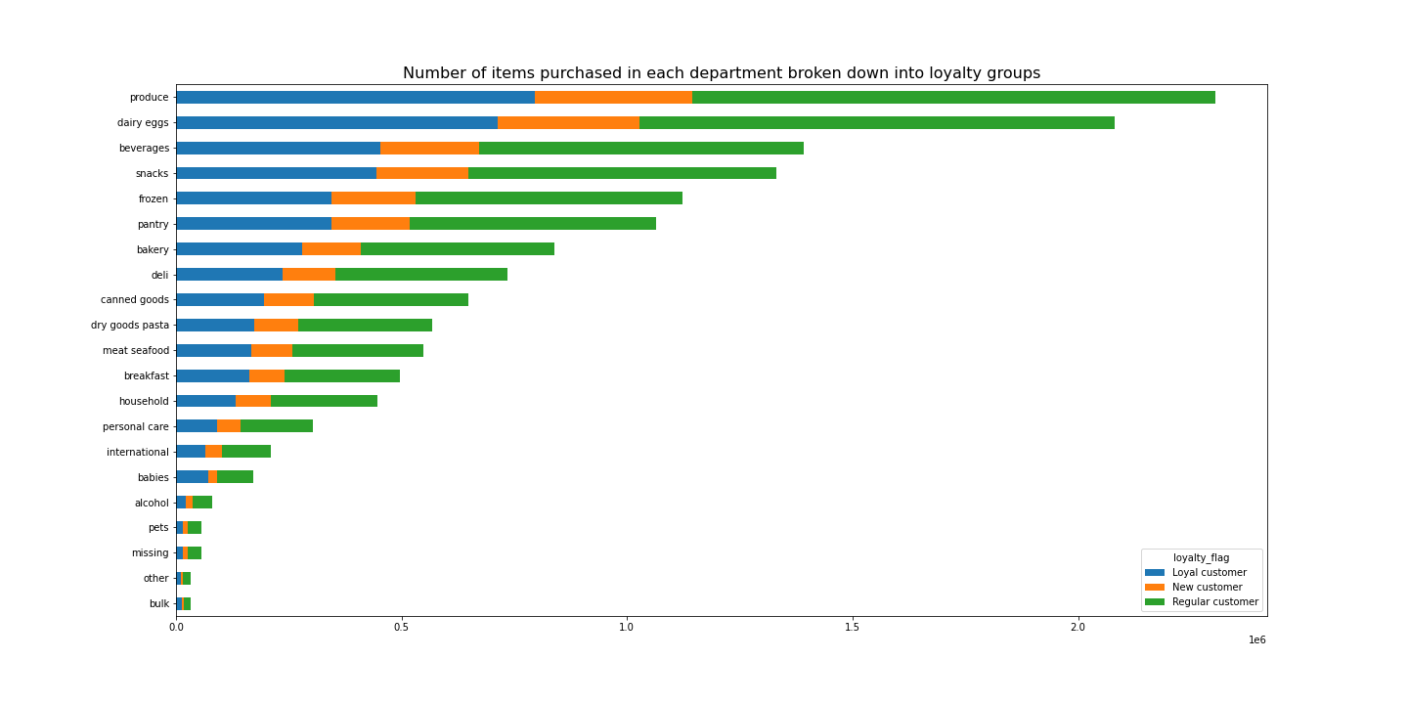

Each customer profile mirrors the overall distribution pattern, where regular customers place the most orders and new customers place the fewest orders across departments.
Each loyalty group prefers mid-range and low-range products, high-range products accounting only a small percentage of their purchases.

Ordering habits based on a customer’s region

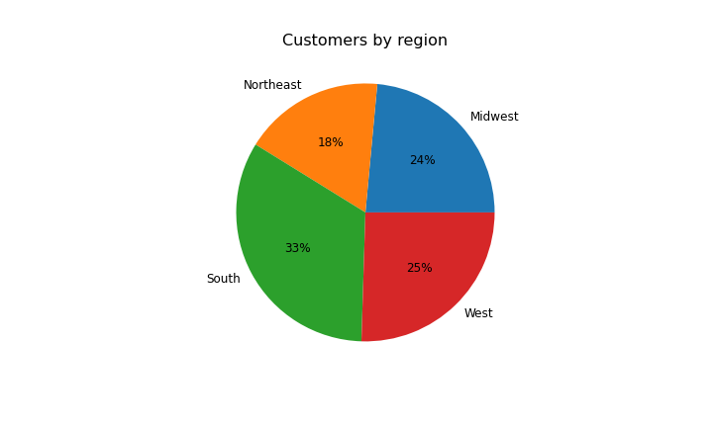
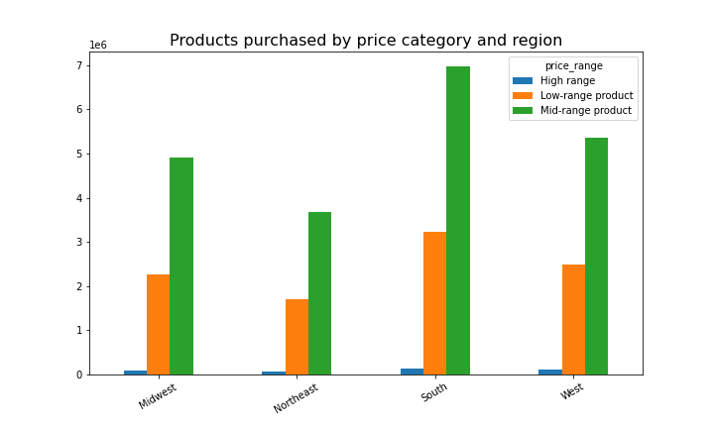
Customers by region
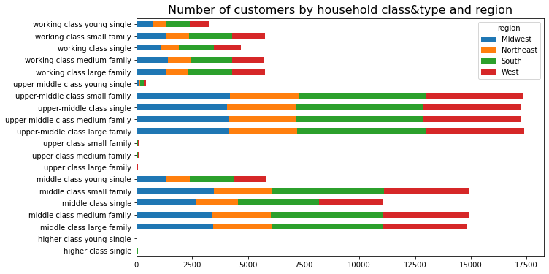
Midwest 48519
Northeast 36388
South 68737 |  |  |  |  | region | High range | Low-range product | Mid-range product
West 52565 |  |  |  |  | Midwest | 92073 | 2267085 | 4901148
 |  |  |  |  | Northeast | 68929 | 1712360 | 3682593
 |  |  |  |  | South | 130964 | 3217500 | 6960978
 |  |  |  |  | West | 101110 | 2477895 | 5347052

The most customers in the Southern region, comprising 33%, while the Midwest and West account for 25% each. The smallest region is the Northwest with 18%.
In each of these regions, we observe a similar distribution of family types.
Across all states, customers prefer products from the mid-range price category and purchase them approximately 50% more often than low-range products.

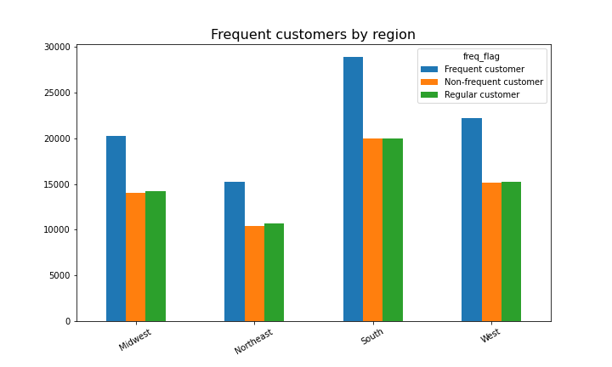
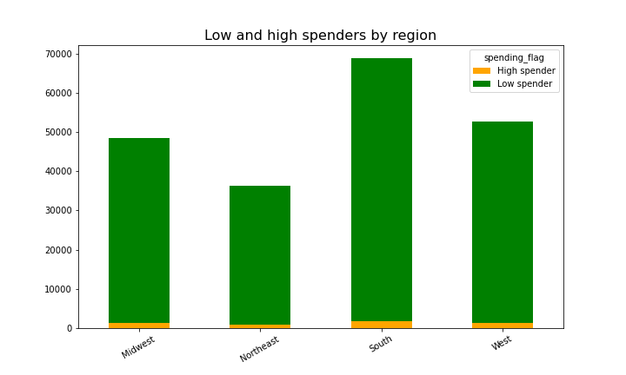

In each of the regions, over one-third of the customers are frequent shoppers, while the number of non-frequent and regular shoppers is roughly equivalent.
The predominant majority falls into the category of low spenders.

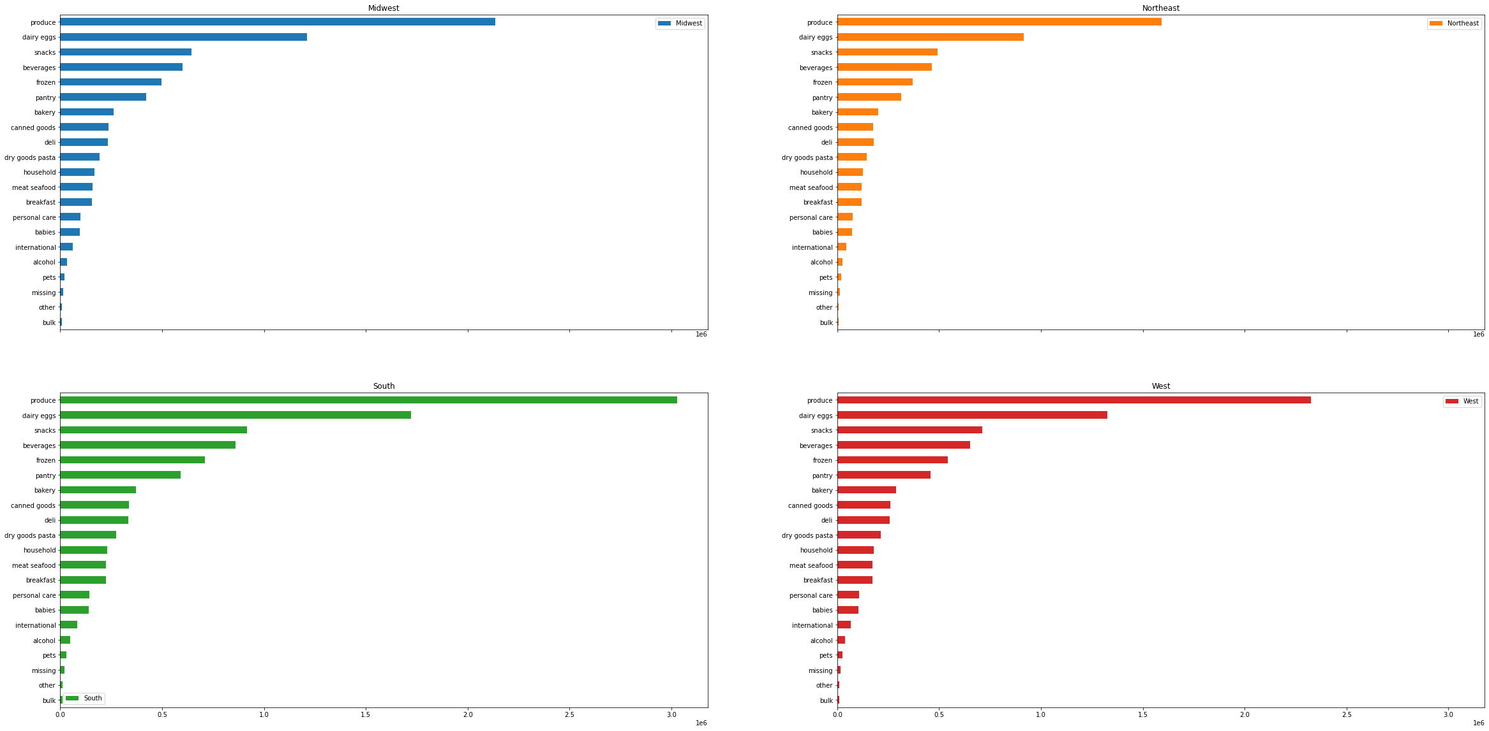
 | Products purchased by department and region

"Every state has the same department preferences. 'Produce,' 'dairy and eggs,' 'snacks,' 'beverages,' and 'frozen' are the departments with the most frequently purchased products."
There are no fluctuations in customer behavior between regions.

Is there a connection between age and family status in terms of ordering habits? habits?

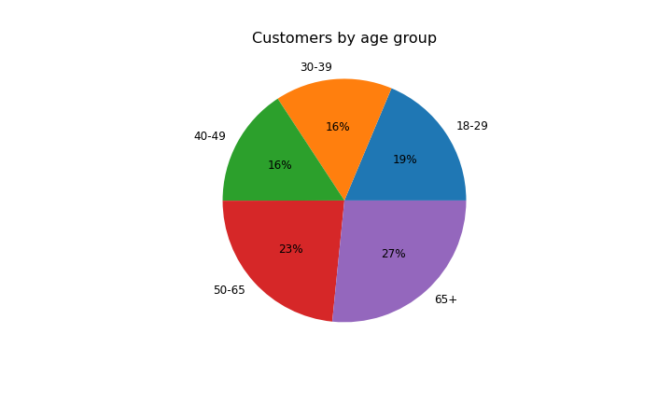
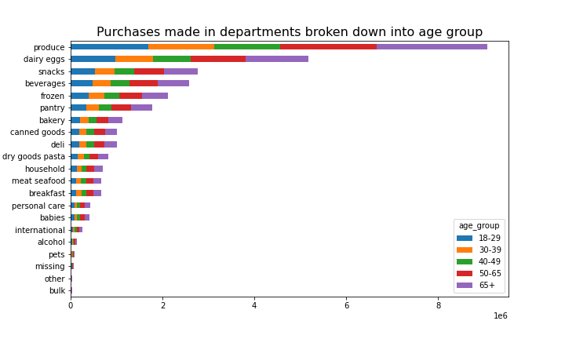
Age group

Customers by age group

18-29 30376
30-39 25284
40-49 25697
50-65 38024
65+ 43250

Individuals aged 65 and older constitute the largest group among our customers.
Each age group makes purchases in each department equally frequently. It seems that age does not influence departmental preferences.

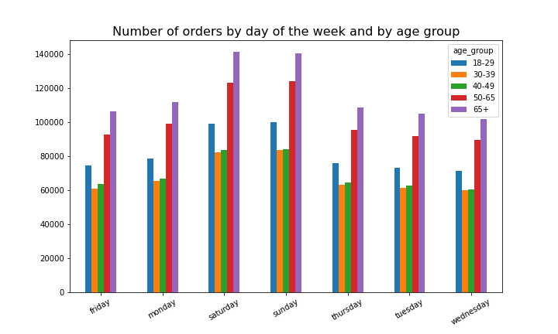
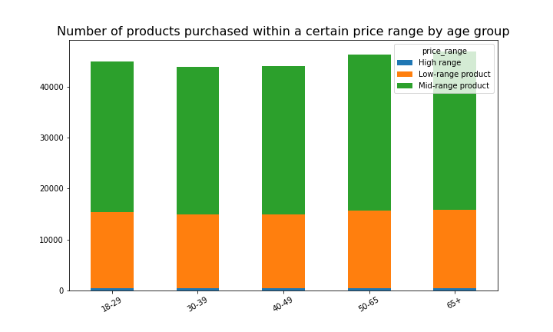

The proportion of the number of orders within each age group appears consistent throughout each day of the week.
Order volumes remain relatively stable during the weekdays but increase during the weekends, and this trend is consistent across all age groups.
Also each group have same price range preferences. 2/3 of products bought are from Mid-range group

Household type
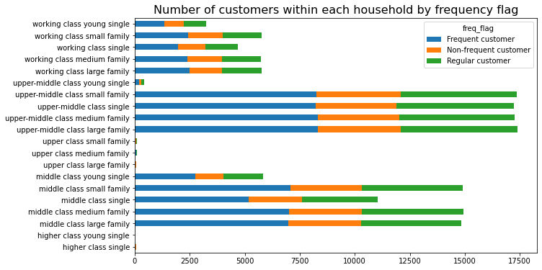

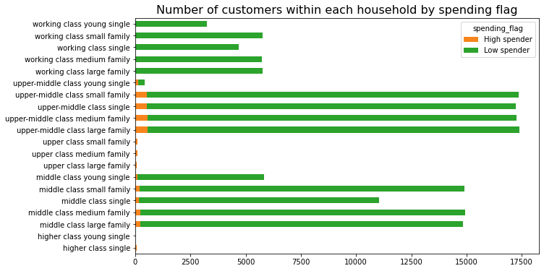
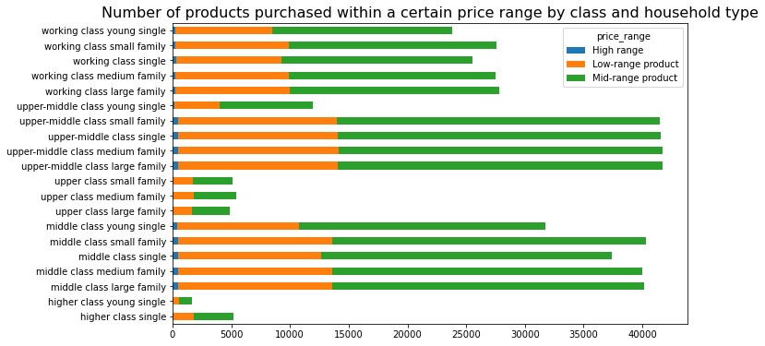

Ca. half of customers across each household group are frequent shoppers.
The predominant number falls into the low spender category, which means that the average product they purchase costs below 10 dollars. A small number of customers,that are high spenders (spending above 10 dollars), belong to the upper-middle-class families and singles group.

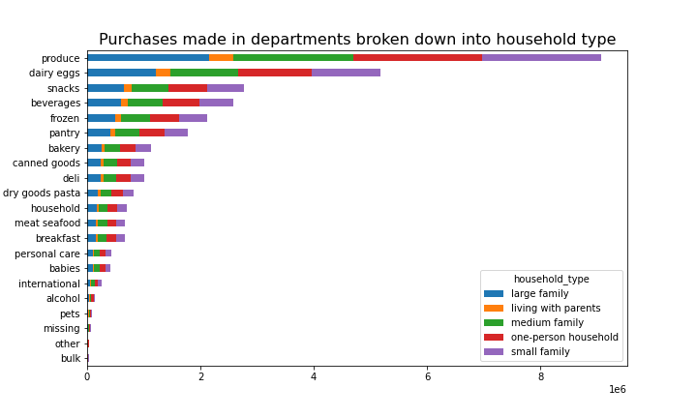
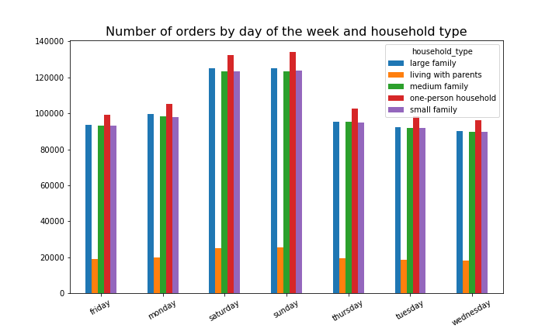

There are no fluctuations in customer behavior between household type.

What differences can you find in ordering habits of different customer? profiles?

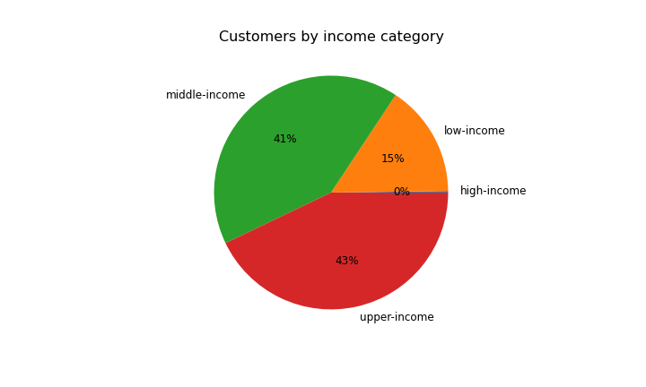
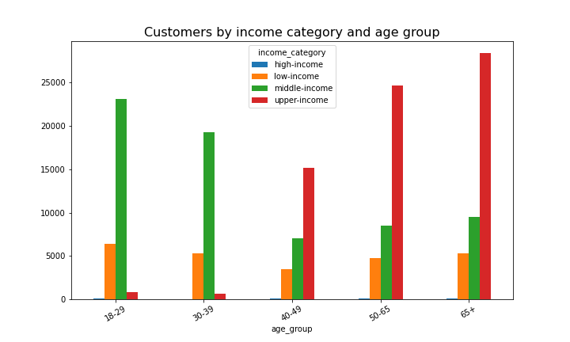
Customers by income category

high-income 345
low-income 25192
middle-income 67358
upper-income 69736

Customers with mid and upper incomes prevail.
Among the age groups up to 40 years old, customers with moderate incomes dominate, while those above 40 tend to have higher incomes (upper income category).
Across all age groups, individuals with low incomes are around 3-5 thousand.

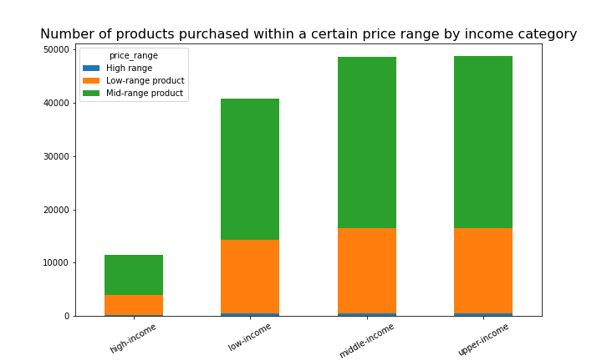
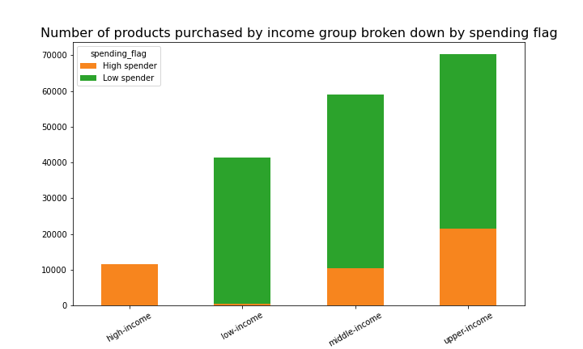

Regardless of the income category, customers choose products from the middle price range. It should be taken into account, however, that this group constitutes 66% of all our products, therefore the purchases of customers are distributed in a similar way
Customers with high incomes (345) fall into the category of high spenders, while this group almost nonexistent in the low-income group. In the middle and upper income groups, low spenders still dominate, but as income increases, the number of high spenders also grows.

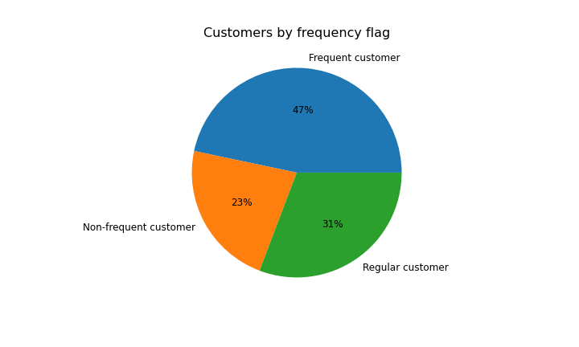

Out of our customer base, 47% fall into the category of "frequent customers," meaning they place orders more often than every 10 days. "Regular customers" fall within the range of ordering every 10 to 20 days, while those who order less frequently than every 20 days are classified as "non-frequent customers.

7. Recommendations
 | Title page

Recommendations

1. The sales team needs to know what the busiest days of the week and hours of the day are (i.e., the days and times with the most orders) in order to schedule ads at times when there are fewer orders.

Busiest day of the week for Instacart is Saturday and Friday, with the highest number of orders placed during these days. Tuesday and Wednesday experience lowest order volumes.
Busiest hour of the day is 10 a.m. The number of orders starts to increase at 6 a.m. and reaches a peak at 10 a.m., but remains at a constant high level until 4 p.m. The decline begins at 5 p.m.

Weekday Specials and Promotions:
Offer exclusive discounts, deals, or promotions that are valid only on weekdays, to increase sales during the week.
Early Bird and Happy Hour Discounts:
Introduce early bird discounts for customers who shop during the morning or evenings/night on weekdays.
Peak Hour Advertising:
Concentrate ad campaigns and promotions during the peak hours between 10 am and 5 pm when the most customers are placing orders.

2. They also want to know whether there are particular times of the day when people spend the most money, as this might inform the type of products they advertise at these times.

Customers on average spend the most money around 3 a.m. and the least around 10a.m.. However, the difference is small, amounting to just under 1.5%.

Night-Specific Promotions:
Offer exclusive nighttime promotions, discounts, or flash sales to encourage customers to make purchases during evening hours.
Nighttime Delivery and Pickup Options:
Offer flexible or free delivery options during the evening to cater to customers who prefer shopping at unusual hours.
Advertise more expensive items during rush hours to to achieve similar results throughout the day

3. Instacart has a lot of products with different price tags. Marketing and sales want to use simpler price range groupings to help direct their efforts.

Prices range from $1 to $25. These are grouped into 3 categories:
if the price is lower than 5 - 'Low-range product', between 5 and 15 - 'Mid-range product', higher than 15 - 'High range'.
There are:
545 - 1% - High range product, 32802 - 66% - Mid-range product and 16280 - 33% - Low-range products.

Segmented Marketing Campaigns:
Create marketing campaigns targeting different customer segments based on their preferred price ranges. For example, if customer prefers products 'Low-range products' tailor your messaging, promotions, and product recommendations to each segment's specific budget.
Highlight Special Offers:
Promote special offers, discounts, or promotions within specific price ranges. For instance, if you have a "Discounts under $5" category, showcase products with significant discounts in this range to attract shoppers.
Price Tags:
Use simple and customer-friendly labels on products to make it easy for customers to see if they are mid-range, low-cost, or high-end options. This will make shopping simpler and help customers choose what they like and can afford.

4. Are there certain types of products that are more popular than others? The marketing and sales teams want to know which departments have the highest frequency of product orders.

The 'produce' department is the most popular departments, followed by 'dairy and eggs', 'snacks', 'beverages', and 'frozen'.

Cross-Promotions:
Implement cross-promotional campaigns between popular departments. Vegetables are frequently purchased, consider running promotions that offer discounts on complementary products from department like cheese for salads or pasta for tomatoes.
Content Marketing:
Create informative content centered around certain departments. Like recipes, how to build a pantry, household tips, articles about farmers from the region who produce for us, skincare, nutritional information ect. This can show your engagement and help customers make informed choices and encourage more frequent purchases.

5. Types of customers

Loyalty

If customer made more than 40 orders - 'Loyal customer', between 10 and 40 orders - 'Regular customer', fewer than 10 orders - 'New customer'.
The largest group - 'Regular customers' made 50% of all orders, 'Loyal customers' who constituted only 10% made as many as 33% of orders, and the smallest number of orders (16%) were made by new customers who constitute 43%.

'New Customers': Focus on introducing your brand, product quality, and unique selling points. Offer welcome discount and discounts or coupons for next few purchases.
'Regular customer': Highlight the value and convenience of regular shopping with your brand. Offer loyalty program incentives to encourage repeat purchases.
'Loyal customer': Recognize their loyalty with exclusive offers, early access to sales, or personalized product recommendations based on their purchase history.

Regions

Customers are located in 4 regions: Midwest, Northeast , South, West.
Most of customers live in South region (33%)

Multilanguage App:
Incorporate language options within your application, especially in regions with a substantial population of non-native residents. This ensures a more inclusive and user-friendly experience for diverse communities.
Localize Content:
Tailor your marketing content to align with the unique cultural nuances and preferences of each specific region. This entails adapting language, visuals, and references to local events or holidays to better connect with the local audience.
Climate Consideration:
Recognize that weather conditions vary significantly across the United States. It's essential to create weather-appropriate marketing campaigns for each region to ensure that your messaging remains relevant and resonates with local customers, accounting for regional climate differences.
Local Collaborations:
Collaborate not only with local producers, but also with local influencers to promote your store. These local connotations can affect credibility and help you gain new customers in regions where there are not as many of them, e.g Northeast.

Age

Most of customers are 65+.
Among the age groups up to 40 years old, customers with moderate incomes dominate, while those above 40 tend to have higher incomes (upper income category).
Across all age groups, individuals with low incomes are around 3-5 thousand.
There isn't a clear pattern indicating that age alone significantly influences ordering habits. Regardless of age, ordering habits appear not to differ among departments.

Age group Specials and Promotions:
Offer exclusive discounts, deals, or promotions for particular age group like students or seniors. Promote these offers through various channels, including social media, email newsletters, and app.
Health Focus:
Highlight health benefits in your marketing, particularly for older age groups. Promote products that cater to specific dietary restrictions or health conditions, such as gluten-free, vegan.
Price range products for age groups:
Younger customers with lower income prefer cheaper products, while customers aged 40 and above with higher incomes prioritize quality. Consider introducing more high-range products (as there is currently only a 1% representation in assortment, and actively advertise them to older customers).

Household type

Tailored Product Selection:
Customize your product offerings to cater to the specific needs and preferences of different household types. For example: working class families - low range price products or multipacks, upper class customers - more high range quality products, young singles may prefer ready - to-eat or frozen meals, seniors may seek healthy items, dairy or grains.
Seasonal and Holiday Promotions:
Plan seasonal and holiday-themed promotions that cater to the specific needs of different household types. For example, promote back-to-school items for families or special Valentine's Day deals for couples.
Ask for Feedback:
Gather feedback from customers through surveys, reviews, etc. Create better customer profiles and make improvements based on their suggestions to enhance their shopping experience.

